Diagrama1 (MVP)
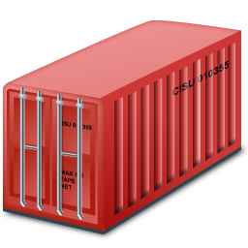
BLOCKSTACK/PACT

Dashboard
Data Analysis
Smart Contract
Alerts

Blockchain
VirtualChain
Cloud Storage

TMS Node

Global Connect
TMS

SatCom / 3G-4G

6loWPAN

Diagrama1
BLOCKSTACK

Dashboard
Data Analysis
Smart Contract
Alerts

Blockchain
VirtualChain
Cloud Storage

TMS Node API

TMS

3G/4G/SatCom

6loWPAN

Diagrama2
IoT Device
TMS

°c
API
1. Receive BITs
2. Code (scroll), Add CallID
3. Verify coverage 3G/4G and
transmit, else
4. Verify coverage Satcom and transmit, else
5. Verify disponibility LPWAN/6loWPAN and transmit, else
6. Store in flash memory
API
1. Receive BITs with CallerID
2. Code (scroll)
3. Add: Date, Time, SensorId, Category
4. Write record in PostgreSQL
5. Write JSON in directory OUT

Table with: CallID,
SensorID, Category

H

3G/4G

SIM
Record in PostgreSQL
CO2
SatCom

LPWan / 6loWPAN
JSON
GPS

Flash Memory

Diagrama3
Temperature

Humidity

MESH
Gases
TMS
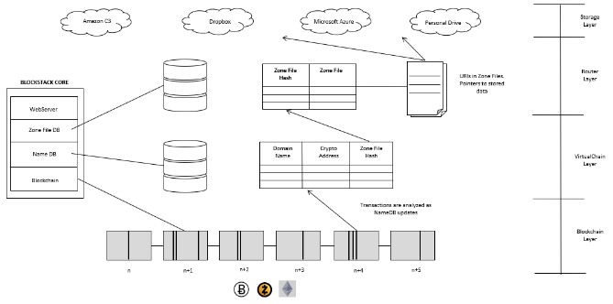
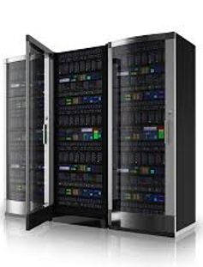
End
Point
Head End
System
Impact

Vibration
GATEWAY

Proximity

Open Door

Wi-SUN
3G/4G
Satcom
Internet

Diagrama3 (MVP)
Temperature
TMS

Humidity

MESH
Gases
GATEWAY
End
Point
Head End
System
Impact

GLOBALCONNECT
Vibration
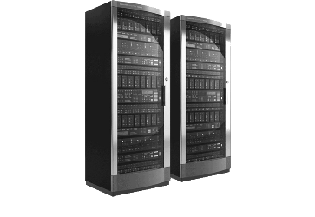

Proximity

GATEWAY
Open Door

Wi-SUN
3G/4G
Satcom
Internet

